guest_character
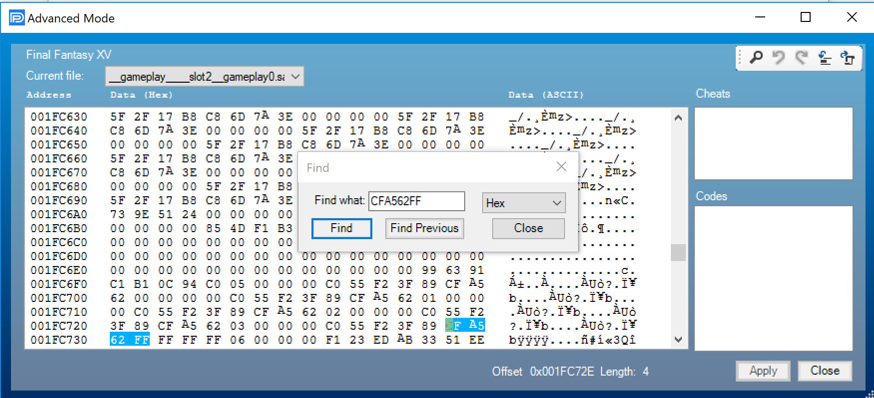
Character Name | Not in party (with context) | In Party (with context) | Not in party (change only) | In Party (change only) |  | Character Name | Index | Id | Result
Ardyn | 0B E9 99 E5 5D 01 01 FF FF FF FF 03 01 00 00 00 | 0B E9 99 E5 5D 01 01 04 00 00 00 03 00 00 00 00 | FF FF FF FF 03 01 | 04 00 00 00 03 00 |  | Noctis | 0 | F67B0001 | Removes character | If you normal save during god mode glitch, then you can duplicate Noctis/Gladiolus/Ignis/Prompto
 | 3F 89 CF A5 62 FF FF FF FF 06 00 00 00 F1 23 ED | 3F 89 CF A5 62 04 00 00 00 06 00 00 00 F1 23 ED | FF FF FF FF | 04 00 00 00 |  | Gladiolus | 1 | C07C0001 | Removes character
 |  |  |  |  |  | Ignis | 2 | E5970001 | Removes character
Aranea | 0B E9 99 F0 97 00 01 FF FF FF FF 03 01 00 00 00 | 0B E9 99 F0 97 00 01 04 00 00 00 03 00 00 00 00 | FF FF FF FF 03 01 | 04 00 00 00 03 00 |  | Prompto | 3 | C17C0001 | Removes character
 | 3F 89 CF A5 62 FF FF FF FF 06 00 00 00 F1 23 ED | 3F 89 CF A5 62 05 00 00 00 06 00 00 00 F1 23 ED | FF FF FF FF | 05 00 00 00 |  | Ardyn | 4 | E55D0101 | Adds character
 |  |  |  |  |  | Aranea Highwind | 5 | F0970001 | Adds character
Cor | 0B E9 99 AC 97 00 01 FF FF FF FF 03 01 00 00 00 | 0B E9 99 AC 97 00 01 04 00 00 00 03 00 00 00 00 | FF FF FF FF 03 01 | 04 00 00 00 03 00 |  | Cor Leonis | 6 | AC970001 | Adds character
 | 3F 89 CF A5 62 FF FF FF FF 06 00 00 00 F1 23 ED | 3F 89 CF A5 62 06 00 00 00 06 00 00 00 F1 23 ED | FF FF FF FF | 06 00 00 00 |  | Iris Amicitia | 7 | E65D0101 | Adds character
 |  |  |  |  |  | Umbra | 8 | E75D0101 | Adds character
Iris | 0B E9 99 E6 5D 01 01 FF FF FF FF 03 01 00 00 00 | 0B E9 99 E6 5D 01 01 04 00 00 00 03 00 00 00 00 | FF FF FF FF 03 01 | 04 00 00 00 03 00 |  | Gentiana | 9 | E85D0101 | Broken
 | 3F 89 CF A5 62 FF FF FF FF 06 00 00 00 F1 23 ED | 3F 89 CF A5 62 07 00 00 00 06 00 00 00 F1 23 ED | FF FF FF FF | 07 00 00 00 |  | Titan | 10 | FDAF0001 | Broken

Umbra | 0B E9 99 E7 5D 01 01 FF FF FF FF 03 01 00 00 00 | 0B E9 99 E7 5D 01 01 04 00 00 00 03 00 00 00 00 | FF FF FF FF 03 01 | 04 00 00 00 03 00
 | 3F 89 CF A5 62 FF FF FF FF 06 00 00 00 F1 23 ED | 3F 89 CF A5 62 08 00 00 00 06 00 00 00 F1 23 ED | FF FF FF FF | 08 00 00 00 |  | Adding a team member (Noctis, Gladiolus, Ignis, Prompto) as a guest character will remove them. Adding Noctis will instant game over.
 |  |  |  |  |  | Character index values above 10 appear to do nothing.
Drowning Noctis | 0B E9 99 E8 5D 01 01 FF FF FF FF 03 01 00 00 00 | 0B E9 99E8 5D 01 01 04 00 00 00 03 00 00 00 00 | FF FF FF FF 03 01 | 04 00 00 00 03 00
 | 3F 89 CF A5 62 FF FF FF FF 06 00 00 00 F1 23 ED | 3F 89 CF A5 62 09 00 00 00 06 00 00 00 F1 23 ED | FF FF FF FF | 09 00 00 00
observe noctis drowning in the party menu

Quick Codes for adding characters (thanks lee4_cmp)

Add Ardyn | Add Aranea | Add Cor | Add Iris | Add Umbra | Clear guest slot
80010007 0BE999E5 | 80010007 0BE999F0 | 80010007 0BE999AC | 80010007 0BE999E6 | 80010007 0BE999E7 | 80050005 3F89CFA5
5D010100 00000000 | 97000100 00000000 | 97000100 00000000 | 5D010100 00000000 | 5D010100 00000000 | 62000000 00000000
28000007 00000004 | 28000007 00000004 | 28000007 00000004 | 28000007 00000004 | 28000007 00000004 | 28000005 FFFFFFFF
1800000B 00000003 | 1800000B 00000003 | 1800000B 00000003 | 1800000B 00000003 | 1800000B 00000003
80050005 3F89CFA5 | 80050005 3F89CFA5 | 80050005 3F89CFA5 | 80050005 3F89CFA5 | 80050005 3F89CFA5
62000000 00000000 | 62000000 00000000 | 62000000 00000000 | 62000000 00000000 | 62000000 00000000
28000005 00000004 | 28000005 00000005 | 28000005 00000006 | 28000005 00000007 | 28000005 00000008

Notes from DFW LadyGO:

Ardyn, Level 10, equipable with Any Sword both Primary and Secondary (interchangeable), No technique, No Car Model, No Chocobo Model, Does not fight but will ''run'' at the enemy. Can only use Classic Regalia. (Pictures come out weird sometimes, will steal the camera, does a lot of selfies. Not much Dialogue, some interesting interactions.)

Iris, Level 18, HP: 302 Strength: 118 ,is not equipable, has a Technique, has all Car Models, Has a Chocobo Model, will fight. Can use Any vehicle + in the manual mode you drive as Ignis, not Noctis. (Best Guest for fun/light but lots of dialogue, story, personality, and animations + pictures).

Umbra, Level 10, equipable with any Sword - Primary Only (only once, not interchangeable), No technique, No Car Model, No Chocobo Model, Does not fight but will ''run'' at the enemy. Can only use Classic Regalia. (Super cute pictures, funny and adorable pictures, barks sometimes and not much dialogue at all.)

Aranea, Level 48, HP: 3,088 Strength: 212 , Not equipable, Has technique, No Car Model, No Chocobo Model, will fight. Can only use Classic Regalia. (Best Female Guest to use for Combat/Sassy Dialogue/Cool Pictures)

Cor, Level 52, HP: 3,987 Strength: 284 , not equipable, has a Technique, no Car Model, no Chocobo Mode, will fight. Can only use Classic Regalia. (Best Over-all Guest to use for Combat/Mostly quiet- Respectful Dialogue/Cool pictures.)

Manual Editing

Step 1
Search for character code (ex: "F0 97 00 01" for Aranea) and replace "FF FF FF FF 03 01" with "04 00 00 00 03 00"

Step 2
Search for "CFA562FF" then change the "FF FF FF FF" to the correct index code noted above. (ex: "05 00 00 00" for Aranea)

